START
BOOKING ERROR CHECKER
CHECK BOOKING ERROR (v.001)
Versão 001

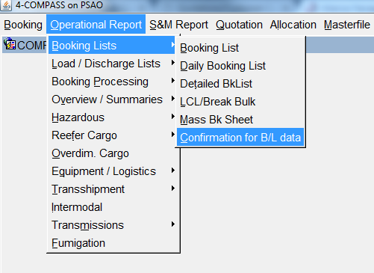
1 | 2
Open Compass booking lists report (Compass >> Operational Report >> Booking Lists >> Confirmation fo B/L data) | Extract booking lists per service (one at a time): ALCT; ABUS; UCLA; SAEC; ABAC; SAAF and ASIA. Fill the marked fields as below: Service = INPUT THE SERVICE ETD of First Port = 01.01.2018 (always) Direction = ALWAYS CHANGE IT TO EMPTY Office = ITJ (always) Booking changed = DATE OF EXTRACTION (TODAY) - DATE OF EXTRACTION (TODAY) Click on "Download Excel"
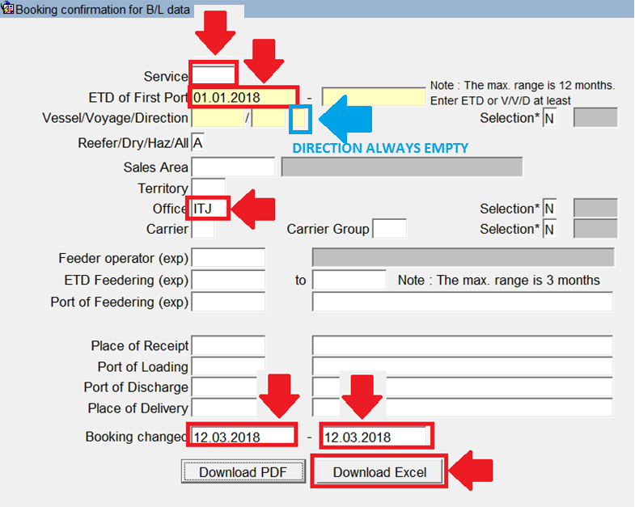

3
On the internet browser, select Save as and save the booking list in folder: ("V:\CS-Export\_Public\Grupos de Trabalho\Booking Error\BOOKING LIST"). Extract the booking list of the next service.

4
After the booking list of all services were saved on the above folder, run the macro, by the "START" button.

5
Select the folder where you saved the booking lists. During the macro processing, you must select the service on message box, accordingly the booking list that will shows on screen.
START
6
When it finishes, a message box will shows "Finalized". On sheet "DATA_BASE" you will find the errors, if there are any.

